Setup Guide
 | TPA3221 / TPA3220 Setup Guide and Configuration Tool

 | Legend

 | Input |  |  |  | Output
 |  | Make selection or type value. |  |  |  | Calculated value.

 | Table of Contents

 | Complete each section below to configure the TPA3221 or TPA3220 device pins. The "Pin-Out" tab provides a list of all TPA3221/20 pins and will update with the selections made on this tab. ("Setup Guide" tab).

 | 1 Output Configuration
 | 2 Output Switching Frequency (FREQ_ADJ)
 | 3 Output Modulation Scheme
 | 4 Amplifier Gain Settings
 | 5 5V Rail Selection
 | 6 Over Current
 | 7 Input Bulk Capacitance
 | 8 Input AC Coupling Capacitor
 | 9 Inductor Selection
 | Appendix - Constants

 | TPA3221 vs TPA3220: The TPA3221 and TPA3220 are pin-compatible except for the thermal PowerPad. The TPA3221 thermal pad is on top for a heat sink and the TPA3220 is on bottom to attach to the PCB.

TPA3221 (Heatsink)
TPA3220
(PCB)

 | 1 Output Configuration

 | Select the TPA3221/20 output configuration. The table displays the pin configurations based on the selected output configuration.

2-Channel
Bridge-Tied Load (BTL)
1-Channel
Bridge-Tied Load (BTL)
1-Channel
Parallel Bridge-Tied Load (PBTL)
Pre-Filter, Two Inductors
1-Channel
Parallel Bridge-Tied Load (PBTL)
Post Filter, Four Inductors

 | Output Configuration |  | Bridge-Tied Load (BTL) - 2-channel

 |  |  | # | PIN |  | Configuration
 |  |  | 17 | /CMUTE |  | 33nF
 |  |  | 8 | IN1_P |  | CH1 +
 |  |  | 9 | IN1_M |  | CH1 -
 |  |  | 15 | IN2_P |  | CH2 +
 |  |  | 16 | IN2_M |  | CH2 -
 |  |  | 39-40 | OUT1_P |  | Inductor
 |  |  | 35 | OUT1_M |  | Inductor
 |  |  | 32 | OUT2_P |  | Inductor
 |  |  | 27-28 | OUT2_M |  | Inductor

 | 2 Output Switching Frequency (FREQ_ADJ)

 | Select the desired output switching frequency from the dropdown below.

 | Switching Frequency |  |  | 600 | kHz

 | Now, select if the device will use the internal oscillator or use the clock from another TPA3221/20. Master Mode: Switching frequency is set by internal oscillator and FREQ_ADJ pin. Connect the FREQ_ADJ pin through a resistor to ground to select the switching frequency. Slave Mode: Switching frequency is set by OSCM and OSCP pins connected to a "master" TPA3221/20. Connect FREQ_ADJ to AVDD.

 | Master / Slave Mode |  |  | Master
 | Connect the FREQ_ADJ pin as described below.

 | FREQ_ADJ Pin |  |  | 50 kΩ to GND

 | 3 Output Modulation Scheme

 | Select the desired output modulation scheme: AD Modulation: Traditional AD modulation scheme where the positive and negative outputs are inverted and the duty cycle in idle is 50%. This mode is optimized for the best audio performance. High Efficiency AD (HEAD) Modulation: AD based modulation where the duty cycle in idle is less than 50% and at higher power only one side switches. This mode is optimized for efficiency at idle and full-power. See the datasheet for more description.

 | Modulation Scheme |  |  | High Efficiency AD (HEAD)

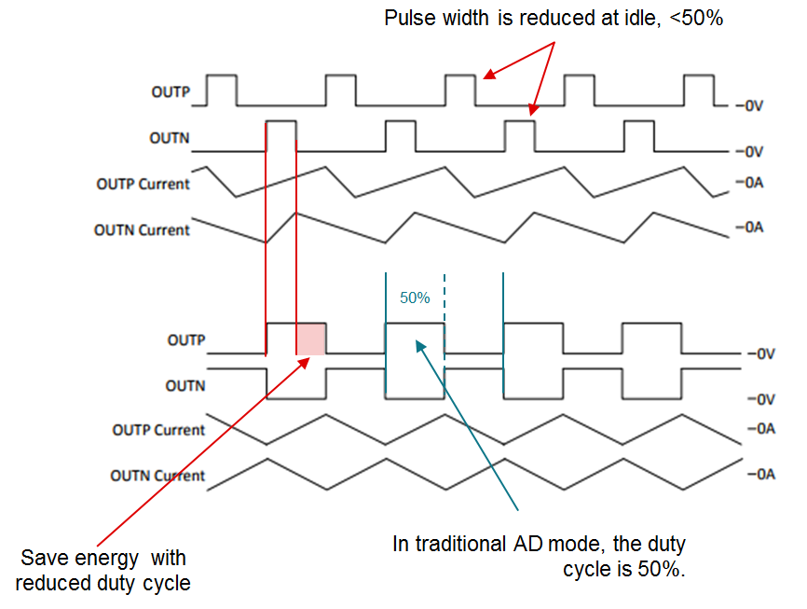

High-Efficiency AD (HEAD) Modulation

AD Modulation

 | HEAD Pin |  |  | Connect to AVDD

 | 4 Amplifier Gain Settings

 | Select the designed amplifier gain.
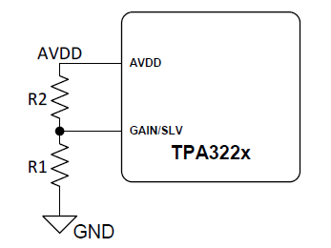
 | Gain |  |  | 24 | dB

 | Input Resistance |  |  | 24 | kΩ
 | The input resistance based on the gain selected.

 | Master / Slave Mode |  |  | Master
 | The GAIN/SLV pin is used to select master or slave mode. Select in section 2.

 | Based on the gain and master/slave mode selection the resistor values for R1 and R2 are shown below.

 |  |  |  | Value |  | Units
 |  | R1 |  | 20 |  | kΩ
 |  | R2 |  | 100 |  | kΩ

 | 5 5V Rail Selection

 | The TPA3221/20 only requires a 5V rail for the gate drive, analog, and digital circuitry. The 5V rail can either be sourced from an external voltage rail or by using the integrated LDO. Note that the efficiency and thermal performance may decrease slightly when using the integrated LDO.

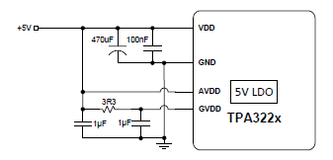
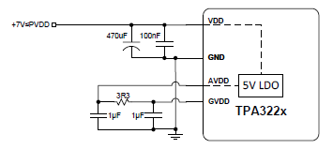

External 5V Source
(LDO Bypass Mode)
Integrated LDO

 | 5V Voltage Source |  |  | Integrated LDO

 |  |  | Connection
 |  | VDD | 7V-30V
 |  | AVDD | Connect to GVDD with 1 uF capacitor to GND
 |  | GVDD | Connect to AVDD with 3.3 Ω and 1 uF low-pass filter

 | 6 Over Current

 | The overcurrent (OC) limit of the TPA3221/20 is fixed at 10A per half-bridge. The overcurrent uses cycle-by-cycle current limit (CB3C), which allows short spikes above the OC threshold without faulting.

 | Load Impedance (Min) |  |  |  | 4 | Ω

 | Supply Voltage (Max) |  |  |  | 30 | V

 | Estimated Max Current |  |  |  | 7.5 | A

 | 7 Input Bulk Capacitance

 | The bulk capacitor provides current during large audio transients and the decoupling capacitor provides current for the switching rise and fall. Use a 1uF decoupling capacitor directly adjacent to the TPA3221/20 pin. In addition, use this section to determine the minimum required bulk capacitance for each channel. Note: In most cases, the minimum capacitance should at least be doubled to provide adequate headroom to prevent audio signal distortion. To support longer and quick audio transients, 1000uF may be necessary.

 | Enter the minimum load impedance and the peak output per channel. PVDD for channels AB and CD are shared internally, so in single-ended mode add the power for each channel.

 |  |  | 4 | Ω |  | 200 | W
 | Minimum load impedance |  |  |  | Peak output power per channel

 | The peak output current per channel is calculated below.

 |  |  | 10.00 | A |  | 600 | kHz
 | Peak Output Current per channel |  |  |  | Output switching frequency (selected above)

 | Now enter the maximum ripple. (The TPA3221/20 has 60dB of PSRR)

 |  |  | 0.05 | V
 | Maximum output voltage ripple

 | The minimum bulk capacitance for each channel is calculated below.

 |  |  |  |  |  | 323.3 | uF

 |  |  |  | Minimum required bulk capacitance

 | 8 Input AC Coupling Capacitor

 | Use this section to calculate the capacitor required for AC coupling the input pins. Start by selecting a capacitor value. The -3dB of the high-pass filter formed by Cinput and the TPA3221/20 input resistance is calculated below.

 | The fIN-3dB frequency below should target < 1/10th of the lowest targeted audio frequency to not influence low frequency THD.

 |  |  |  |  | 24 | kΩ
 |  |  |  |  | Input resistance based on gain selection in section 4.

 |  |  |  |  | 1 | uF
 |  |  |  |  | Type in capacitor value.

 |  |  |  |  | 6.63 | Hz

 | 9 Inductor Selection

 | The output inductor is necessary for safe performance. An absolute minimum inductor of 5μH across the operable range. Ensure that every point on the inductor curve up to and including the peak current is at least 5μH. An inductance verses current graph should be available in the inductor datasheet. An example plot is shown below1.

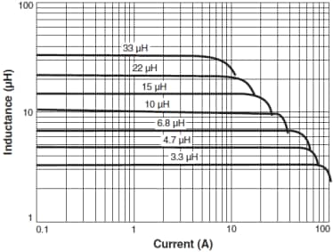

 | Insert the inductor part number below. This is for informational purposes only. No calculations are done based off of the chosen inductor.

 | Inductor Part Number |  |  |  | 10

 | The current limit of the TPA3221/20 is put below for reference. Note in pre-filter PBTL the inductor needs to support two times the OC threshold current (20A).

 | Current Limit |  |  |  | 10 | A
 | Maximum Output Current per inductor

 | Using the inductance vs current graph in the datasheet for your chosen inductor, determine the minimum inductance up to and including the current limit listed above.

 | Minimum Inductance |  |  |  | 10 | uH
 | Minimum Inductance for current limit

 | The minimum inductance is checked against the absolute minimum value (5uH) necessary for safe performance. The result of the check is below.

 | Minimum Inductance |  |  |  | Acceptable
 | Needs to be above 5uH to be acceptable

 | Appendix - Constants

 |  |  | 97%
 |  | Output Duty Cycle (Max)

 |  |  |  |  |  |  |  | Nov-17

1The example plot shown is from a Coilcraft datasheet.

